E
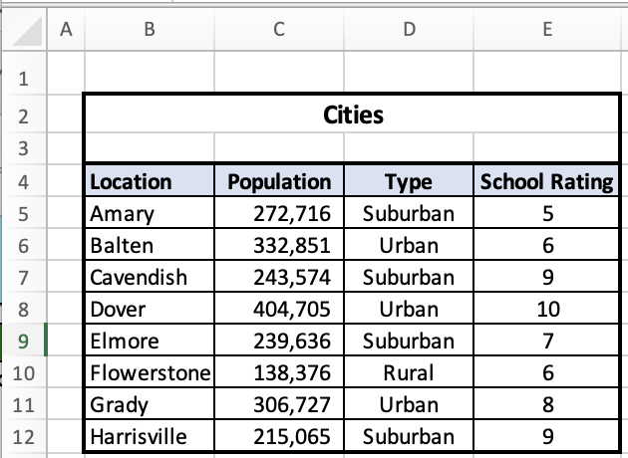
earned | possible | cell | error | Connor Guarino | Press F9 to grade | Feedback ON | Cheer | earned | possible | cell | error | Connor Guarino | Press F9 to grade
0 | 5 |  |  |  |  |  |  | 0 | 5

 | Questions | Answers
 | In the 'Onboarding' tab, what does the match function show if the lookup value is not found? A. The column number B. #N/A C. The row number in the spreadsheet D. The row position (number) in the table | B
 | How does the index function work? A. It shows the row and column positions using the lookup values B. It searches for the lookup values and displays the value from those cells C. It uses the row/column data from the match functions to display the value of the cell where those intersect D. It shows the value of the cell so the match functions have a lookup value to search for | C
 | Which parts of an index (match, match) function get locked when copying it down and across to fill a table correctly? A. The row numbers and column letters of the ranges B. The row number of the lookup value in the first match C. The column letter of the lookup value in the second match D. All of these | A
 | Which part(s) of an index (match, match) function does Excel perform first? A. Array B. Index C. Matches D. They're done at the same time | B
 | In the Cities table below, what would be the result of this function? =Match(Amary, B5:B12, 0) + Match(Population, B4:E4, 0) A. 272,716 B. Population C. 3 D. N/A | C
 | In the Cities table below, what would be the result of this function? =Match(Dover, B5:B12, 0) A. B7 B. 5 C. 4 D. Location | C
 | In the Cities table below, what would be the result of this function? =Index(B5:E12, 3, 2) A. 243,574 B. 332,851 C. Suburban D. Urban | B
 |  | BCABCCB

